Further Information
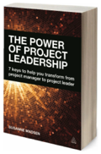 | For projects to succeed and add lasting value, the project manager must be able to strategize, innovate, take risks, empower and collaborate – in other words, project managers must learn how to lead. The Power of Project Leadership - now in it's second edition - helps you transform from project manager to effective project leader by shifting your managerial and task-oriented mind-set into one of inspiration, motivation and collaboration. It explains what good project leadership looks like and shows you how to make the transition by using concrete tools and strategies. It has a practical and engaging approach and references over 25 interviews with project management thought leaders from around the world, who themselves have made the transition from project manager to project leader. The Power of Project Leadership helps you transform from project manager to effective project leader by shifting your managerial and task-oriented mind-set into one of inspiration, motivation and collaboration. It explains what good project leadership looks like and shows you how to make the transition by using concrete tools and strategies. It has a practical and engaging approach and references over 25 interviews with project management thought leaders from around the world, who themselves have made the transition from project manager to project leader.

 | www.powerofprojectleadership.com

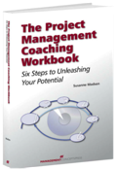 | Starting with an insightful self-assessment, The Project Management Coaching Workbook: Six Steps to Unleashing Your Potential offers tools, questions, reviews, guiding practices, and exercises that will help you build your roadmap to project management and leadership success. Based on her many years as a sought-after project manager, coach and mentor, Susanne Madsen offers a proven six-step method designed to help you understand and articulate what you want to achieve—and then assists you in achieving those goals. Whether used as a personal guide or in a workshop or group setting, The Project Management Coaching Workbook lays out a sound, proven plan to help you build confidence and achieve your project management goals.

 | www.susannemadsen.com

